Matplotlib Style (Legends)
MATPLOTLIB STYLING

MATPLOTLIB LEGENDS | REFERENCE

⇰ REMEMBER YOU CAN CHECK OUT ANY HYPER PARAMS FROM THIS CONTENTS (Pl see Index in Left Side go in Subsection you want to go & Navigate Further in Line (MATPLOTLIB DASHBOARD) | ⇰REFERENCE (Website)--> Matplotlib (Dashboard) Regarding Matplotlib 's Legends All Parameter Navigation)

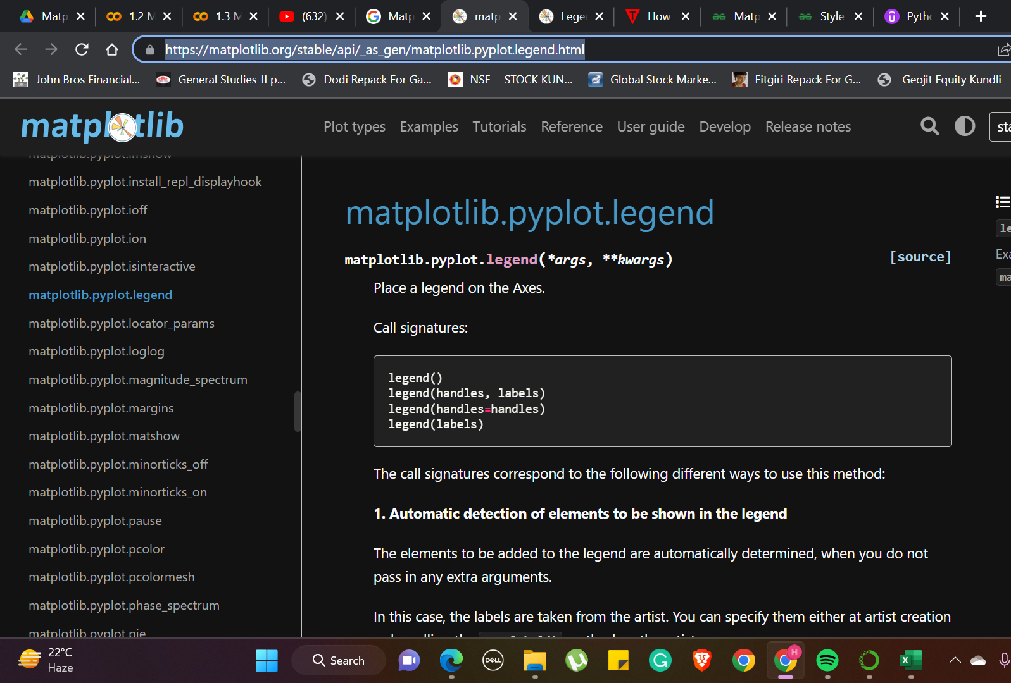
 | ⇰REFERENCE (You Tube)--> You Tube Videos By Kimberley Feasel Regarding Matplotlib Legend Tutorial

 | ⇰REFERENCE (Website)--> Java T Point Regarding How to Customize Legends with Matplotlib

 | ⇰REFERENCE (Website)-->Geeks for Geeks Regarding plt.legend() in Python

 | ⇰REFERENCE (Website)-->Udemy Regarding Matplotlib Styling - Legends

⇰Legend is an area on the graph that describes each element that makes up the. A graph may be straightforward in the sense that it's. If we include titles, labels for X, the Y label, and the legend, it will be clearer. When we look at the names, we are able to determine what the graph represents easily and the type of data it represents. It can be described by the following terms: ❶legends --> legend() automatically determines the elements to display. It accomplishes this by showing every plot that has been marked with the keyword argument "label. ❷legend(labels):--> The name of the X and the name of Y, which is shown in the legend. ❸legend(handles and labels):-->The list of line numbers to add to the legend. Combining labels and handles gives you complete control over what information should be included within the legend. It is recommended that the lengths of both legend as well as handles should be equal . | ⇰REFERENCE (Website)--> Java T Point Regarding How to Customize Legends with Matplotlib

 | ⇰REFERENCE (Website)-->[Google Colab Supervised learning (1.3 Polynomial Regression Regarding Usage of Param Linewidth (lw)] (Practical Implementation)

①METHODS FOR LEGEND (LOC CREATION)

→1st Method-->What if Legends is By default plt.legend() (Automatically Adjust Acc to Empty Spaces in Canvas

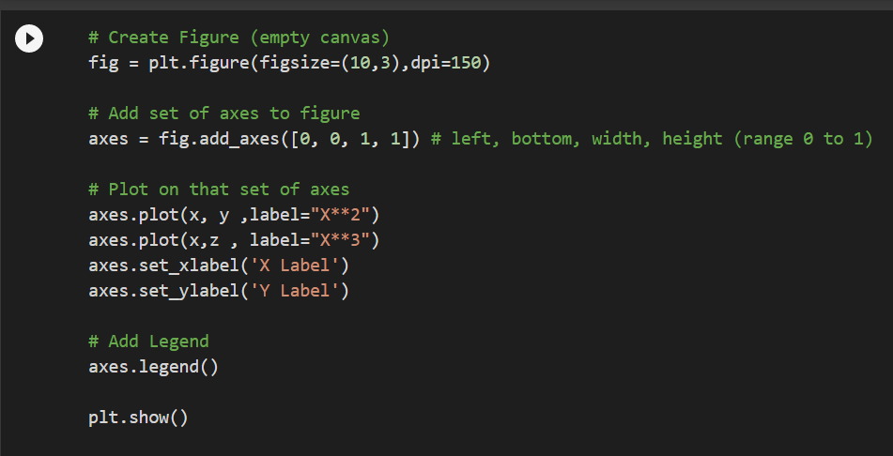 ❶You can use the label="label text" keyword argument when plots or other objects are added to the figure, and then using the legend method without arguments to add the legend to the figure: | ⇰REFERENCE (Website)--> Google Colab (1.3 Matplotlib Basics Regarding plt.legend() having default value

 | ⇰REFERENCE (Website)-->Udemy Regarding Matplotlib Styling - Legends

 | ⇰REFERENCE (Website)--> Matplotlib (Dashboard) Regarding Matplotlib 's Legends All Parameter Navigation)

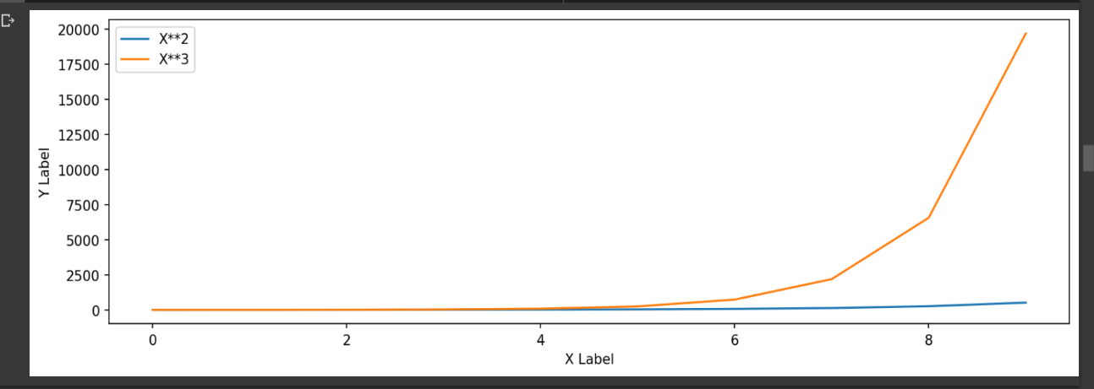

 | ⇰REFERENCE (You Tube)--> You Tube Videos By Kimberley Feasel Regarding Matplotlib Legend Tutorial

→2nd Method--> Changing Legend Places Automatically on Canvas Via Loc ( Numeric Method)

❶It tells you there is an loc argument right here, which is a string or a pair of floats essentially telling you where to actually locate the legend. ❷ what I could do is just pass in the numeric codes that are associated with that.So I could say maybe lower right corner, which is just the number four.& I see here in the lower right corner by default it uses location zero. | ⇰REFERENCE (Website)-->Google Colab (Matplotlib Styling ) Regarding Practical Coding of Legend Creation By Loc (Numeric Method))

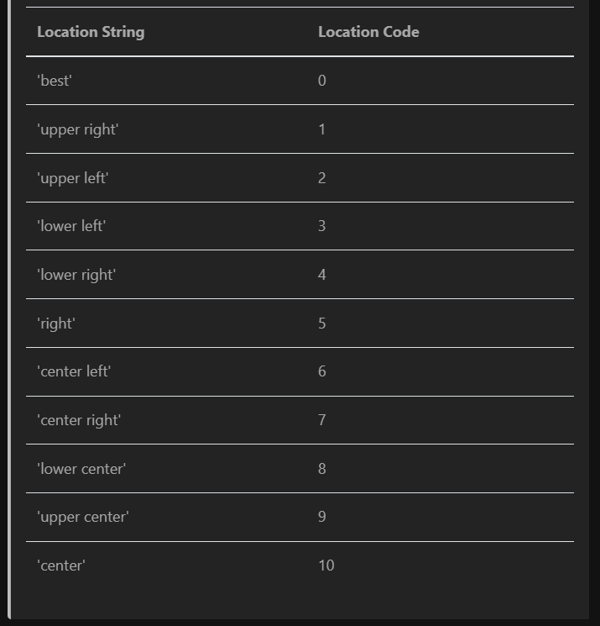 | ⇰REFERENCE (Website)-->Udemy Regarding Matplotlib Styling - Legends

 | ⇰REFERENCE (Website)--> Java T Point Regarding How to Customize Legends with Matplotlib

 | ⇰REFERENCE (Website)-->Geeks for Geeks Regarding plt.legend() in Python

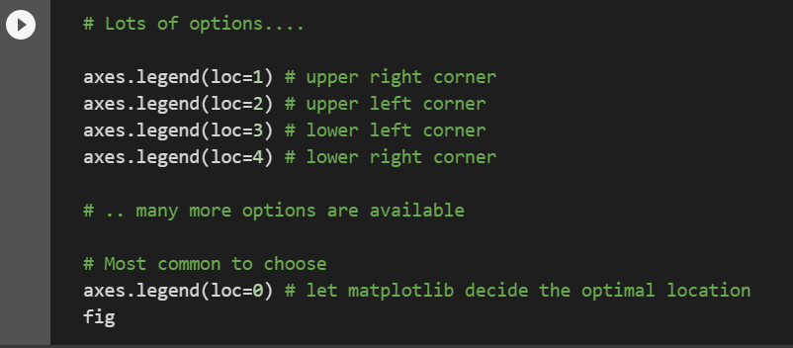 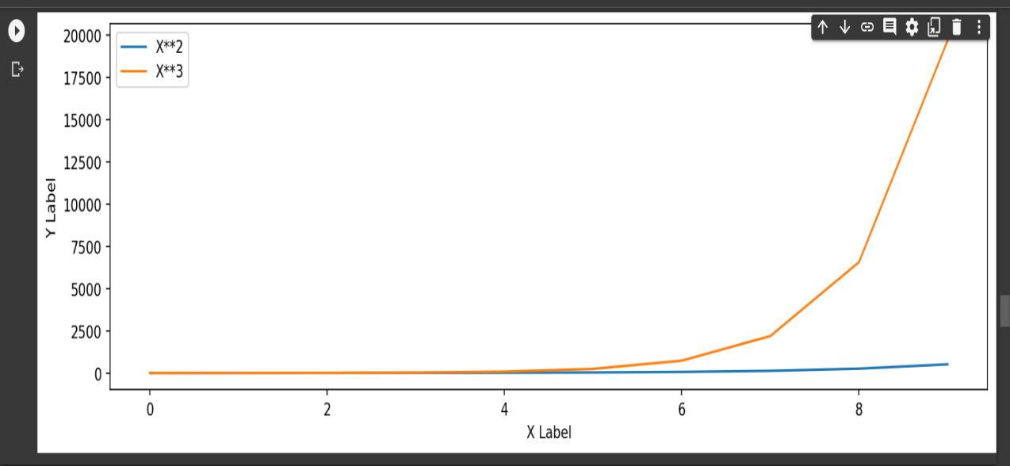 EXAMPLE FOR 2nd METHOD ❶You can use the label="label text" keyword argument when plots or other objects are added to the figure, and then using the legend method without arguments to add the legend to the figure: | ⇰REFERENCE (Website)-->Google Colab (1.3 Matplotlib Styling) Regarding Practical Coding of Legend Creation by Loc (Numeric)

 | ⇰REFERENCE (Website)-->Udemy Regarding Matplotlib Styling - Legends

 | ⇰REFERENCE (Website)--> Matplotlib (Dashboard) Regarding Matplotlib 's Legends All Parameter Navigation)

 | ⇰REFERENCE (You Tube)--> You Tube Videos By Kimberley Feasel Regarding Matplotlib Legend Tutorial

→3rd Method --> Changing Legend Places on Canvas Via String (Instead of Numeric) | ⇰REFERENCE (Website)-->Google Colab (1.3 Matplotlib Styling) Regarding Practical Coding of Legend Creation by Loc (String) Instead of Numeric

❶So you can actually add in a string telling you upper left or upper right, or you can add in a number associated with it.So zero right here is automatic best location.It tries to figure it out on its own.You can also say upper right, upper left, lower left and so on.So you can actually pass in to the loc argument where you want the legend to be located.So for example, I could say loc is equal to upper right.Run that & now the legend here is in the lower left.

 | ⇰REFERENCE (Website)-->Udemy Regarding Matplotlib Styling - Legends

 | ⇰REFERENCE (Website)--> Matplotlib (Dashboard) Regarding Matplotlib 's Legends All Parameter Navigation)

 | ⇰REFERENCE (You Tube)--> You Tube Videos By Kimberley Feasel Regarding Matplotlib Legend Tutorial

 | ⇰REFERENCE (Website)--> Java T Point Regarding How to Customize Legends with Matplotlib

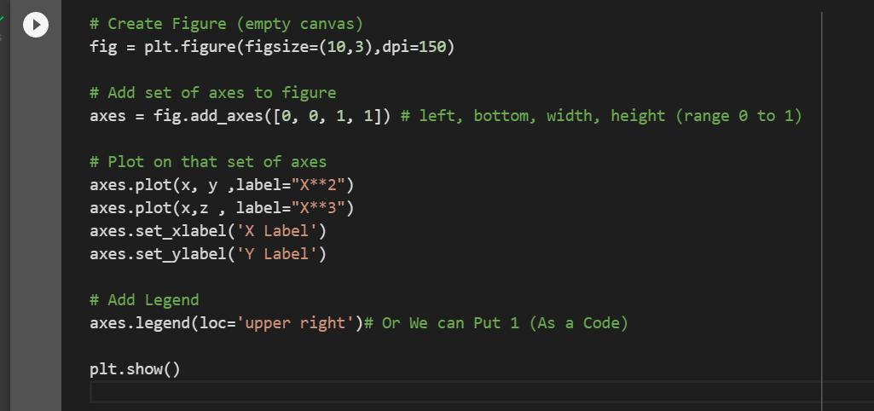 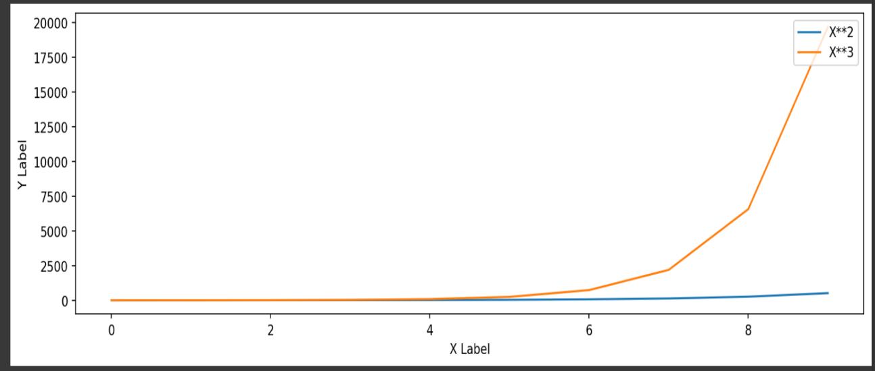 EXAMPLE FOR 3rd METHOD You can use the label="label text" keyword argument when plots or other objects are added to the figure, and then using the legend method without arguments to add the legend to the figure: | ⇰REFERENCE (Website)-->Google Colab (1.3 Matplotlib Styling) Regarding Practical Coding of Legend Creation by Loc (String) Instead of Numeric

 | ⇰REFERENCE (Website)-->Udemy Regarding Matplotlib Styling - Legends

 | ⇰REFERENCE (Website)--> Matplotlib (Dashboard) Regarding Matplotlib 's Legends All Parameter Navigation)

 | ⇰REFERENCE (You Tube)--> You Tube Videos By Kimberley Feasel Regarding Matplotlib Legend Tutorial

→4th Method-->What if we wanted to actually manually set the location of Legend() by loc([Signify Bottom left & Right) & [Width & Height]) | ⇰REFERENCE (Website)-->Google Colab (1.3 Matplotlib Styling) Regarding Practical Coding of Legend Creation (Manually) by Loc ()

❶Legend Creation at loc([1.1 ,0.5)] We can do that quite easily. All we need to do is pass in a tuple which corresponds with the exact same two parameters here for the bottom left hand corner.

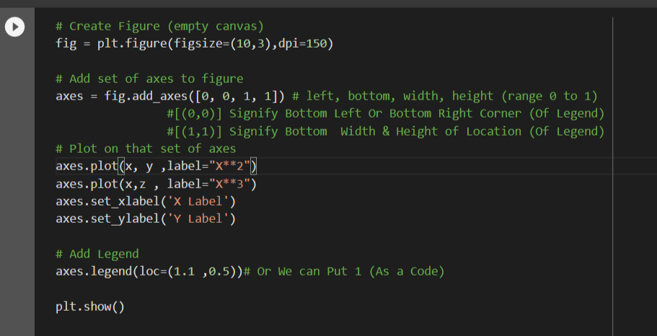 EXAMPLE FOR 4th METHOD You can use the label="label text" keyword argument when plots or other objects are added to the figure, and then using the legend method without arguments to add the legend to the figure: | ⇰REFERENCE (Website)-->Udemy Regarding Matplotlib Styling - Legends

 | ⇰REFERENCE (Website)--> Matplotlib (Dashboard) Regarding Matplotlib 's Legends All Parameter Navigation)

 | ⇰REFERENCE (You Tube)--> You Tube Videos By Kimberley Feasel Regarding Matplotlib Legend Tutorial



 | ⇰REFERENCE (Website)--> Java T Point Regarding How to Customize Legends with Matplotlib

 | ⇰REFERENCE (Website)-->Geeks for Geeks Regarding plt.legend() in Python

②SETTING LEGEND BY bbox_to_anchor()

⇰bbox_to_anchor() ❶The bbox_to_anchor keyword gives a great degree of control for manual legend placement. For example, if you want your axes legend located at the figure’s top right-hand corner instead of the axes’ corner, simply specify the corner’s location, and the coordinate system of that location: ❷ In plain words, bbox_to_anchor accepts a list of four values: (x0, y0, width, height). It will create a bounding box on the axes, inside which the actual legend will be placed. The lower left coordinate of the bounding box is (x0, y0). Its width and height are given by width and height, respectively. Often, you will see that a list of only two values are given to bbox_to_anchor, which means that the width and height of the bounding box is zero. | ⇰REFERENCE(Website)-->Stackoverflow Regarding Bbox_to_anchor & it's usage in for Legend Creation Purpose

 | ⇰REFERENCE (Website)-->Matplotlib Regarding bbox_to_anchor

 | ⇰REFERENCE (Website)-->Jdhao's digital space Regarding How To Put Legend outside of Axes Properly in Matplotlib? (Loc & bbox_to_anchor()
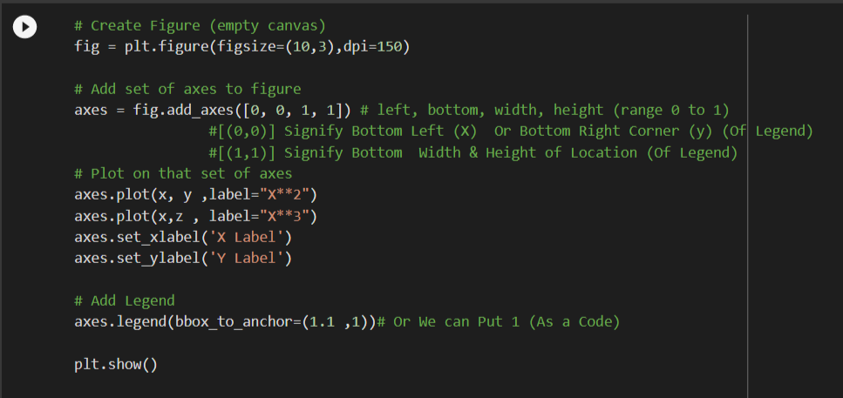

 | ⇰REFERENCE (Website)--> Tutorial Point Regarding What does a 4-element tuple argument for 'bbox_to_anchor' mean in Matplotlib?

 | ⇰REFERENCE (Website)--> Google Colab 1.3 Matplotlib Styling Regarding Parameter bbox_to_anchor

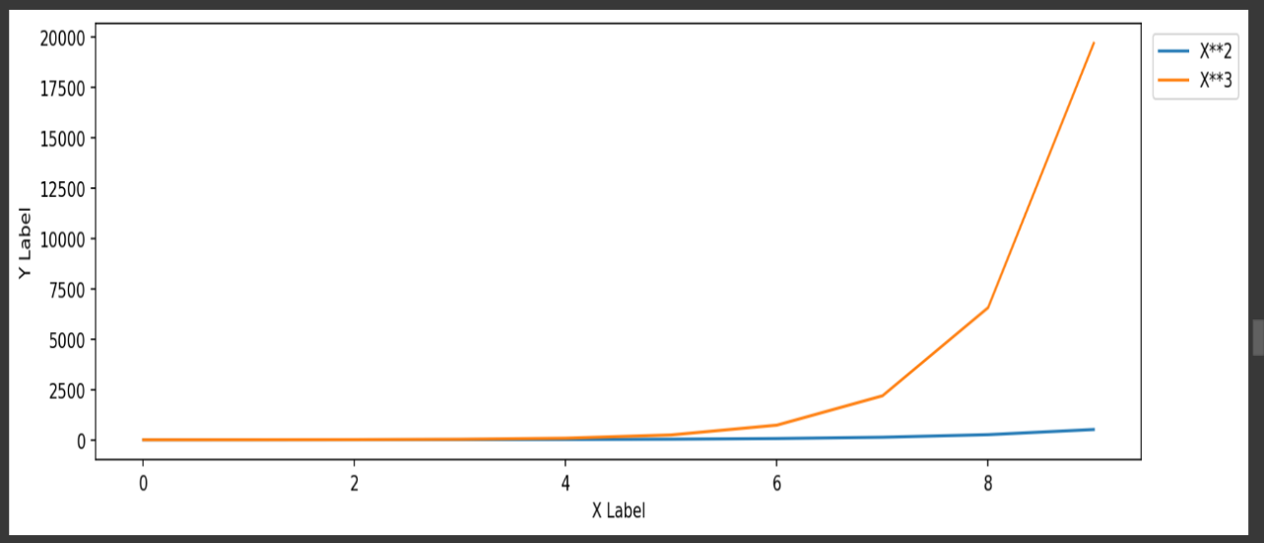

 | ⇰REFERENCE (Website)-->Udemy Regarding Matplotlib Styling - Legends

 | ⇰REFERENCE (Website)-->[Google Colab Supervised learning (1.3 Polynomial Regression Regarding Usage of Param Linewidth (lw)] (Practical Implementation)

③SETTING LEGEND BY BBOX_TO_ANCHOR ([FOR DIRECTION) & LOC (STRING) FOR PRECISE LOCATION)] BOTH

⇰bbox_to_anchor () & loc (string method) ❶According to the documentation of Axes.legend() method, we can use the parameters loc and bbox_to_anchor to control the position of the legend. Unfortunately, the documentation for the two parameters are not very clear. ❷In plain words, bbox_to_anchor accepts a list of four values: (x0, y0, width, height). It will create a bounding box on the axes, inside which the actual legend will be placed. The lower left coordinate of the bounding box is (x0, y0). Its width and height are given by width and height, respectively. Often, you will see that a list of only two values are given to bbox_to_anchor, which means that the width and height of the bounding box is zero. ❸The parameter loc denotes the alignment relationship between the actual legend box and the bounding box. It means that different position indicated by loc in both the legend box and bounding box will be put at the same point. For example, if loc='center', the center of legend box and the bounding box will be at the same point. If loc='center right', the center of the right edge of the legend box and the bounding box will be aligned (i.e., at the same point). | ⇰REFERENCE(Website)-->Stackoverflow Regarding Bbox_to_anchor & it's usage in for Legend Creation Purpose

 | ⇰REFERENCE (Website)-->Matplotlib Regarding bbox_to_anchor

 | ⇰REFERENCE (Website)-->Jdhao's digital space Regarding How To Put Legend outside of Axes Properly in Matplotlib? (Loc & bbox_to_anchor()

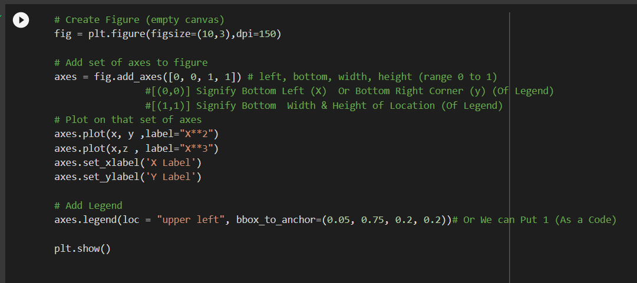
 | ⇰REFERENCE (Website)--> Tutorial Point Regarding What does a 4-element tuple argument for 'bbox_to_anchor' mean in Matplotlib?

 | ⇰REFERENCE (Website)--> Google Colab 1.3 Matplotlib Styling Regarding Parameter bbox_to_anchor

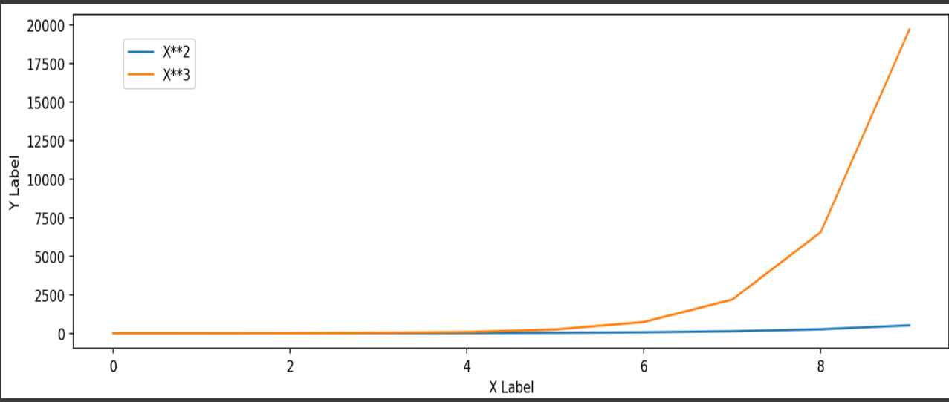
 | ⇰REFERENCE (Website)-->Udemy Regarding Matplotlib Styling - Legends

 | ⇰REFERENCE (Website)--> Google Colab 1.3 Matplotlib Styling Regarding Parameter bbox_to_anchor & Loc (Via String Method)

Matplotlib Style(Line Colour )
MATPLOTLIB STYLING ( Setting Line colors)

HYPER PARAMETERS FOR MATPLOTLIB STYLING | REFERENCE

SETTING LINE COLORS

⇰Using Keywords For Colors ❶So the first one we're going to focus on are colors, and I suggest just using the keyword color for this & there's many different types of strings you can pass here for very basic colors.You can actually just literally type out the color name like blue and it will return back that color.It can even do things like light blue and return a lighter blue. (Example) | ⇰REFERENCE (Website)--> Google Colab 1.3 Matplotlib Basics Regarding Setting Colors By Keyword ('blue)

 | ⇰REFERENCE (Website)--> Google Colab 1.3 Matplotlib Basics Regarding Setting Colors By Keyword ('light blue)

 | ⇰REFERENCE (Website)-->Udemy Regarding Matplotlib Styling Colours & Styling

 | ⇰REFERENCE (Website)-->[Google Colab Supervised learning (1.3 Polynomial Regression Regarding Usage of Param Linewidth (lw)] (Practical Implementation)

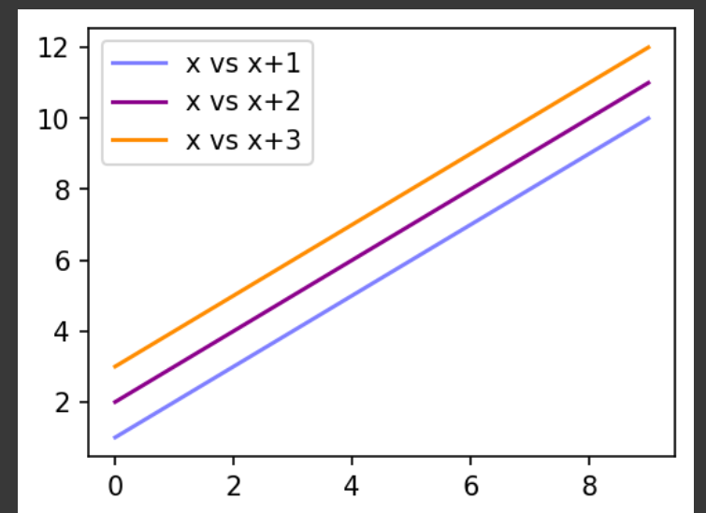

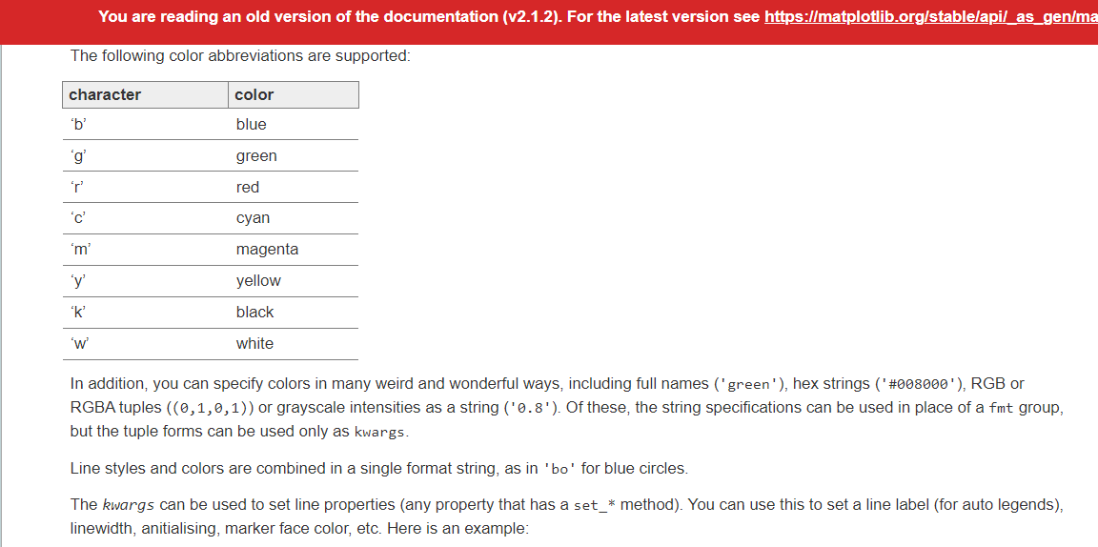 | ⇰REFERENCE (Website)--> Matplotlib Old Regarding No of Color Available Supported & Custom Colour Availed By RGB Hex Code

 | ⇰REFERENCE (Website)-->[Google Colab Supervised learning (1.3 Polynomial Regression Regarding Usage of Param Linewidth (lw)] (Practical Implementation)

⇰ Color With Colored Parameter (Colors with Matplotlib like syntax) ❶ With matplotlib, we can define the colors of lines and other graphical elements in a number of ways. First of all, we can use the MATLAB-like syntax where 'b' means blue, 'g' means green, etc. The MATLAB API for selecting line styles are also supported: where, for example, 'b.-' means a blue line with dots: (Example) | ⇰REFERENCE Website)-->Matplotlib (Colours) Regarding Colours Format

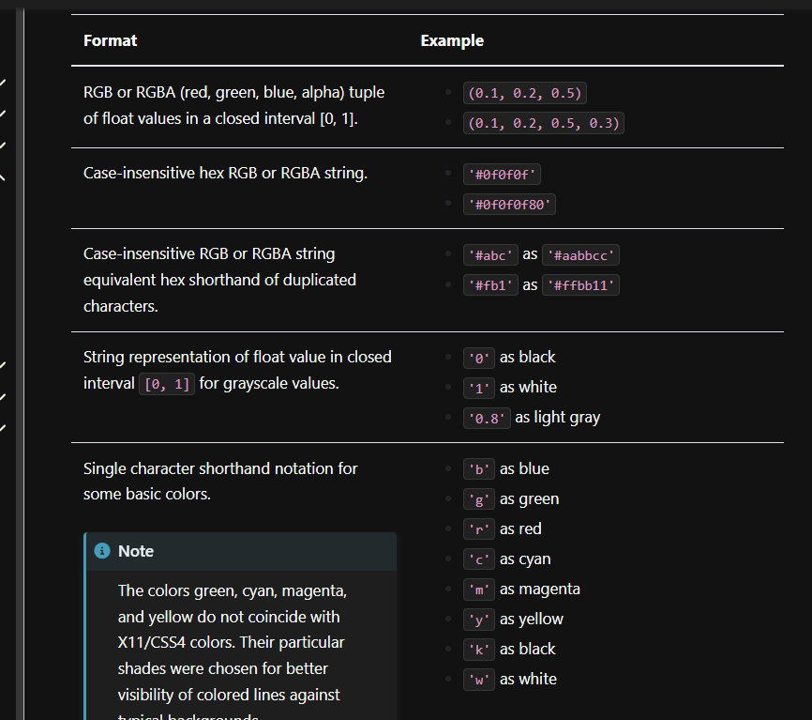 | ⇰REFERENCE (Website)-->Udemy Regarding Matplotlib Styling Colours & Styling

 | ⇰REFERENCE (Website)-->[Google Colab Supervised learning (1.3 Polynomial Regression Regarding Usage of Param Linewidth (lw)] (Practical Implementation)

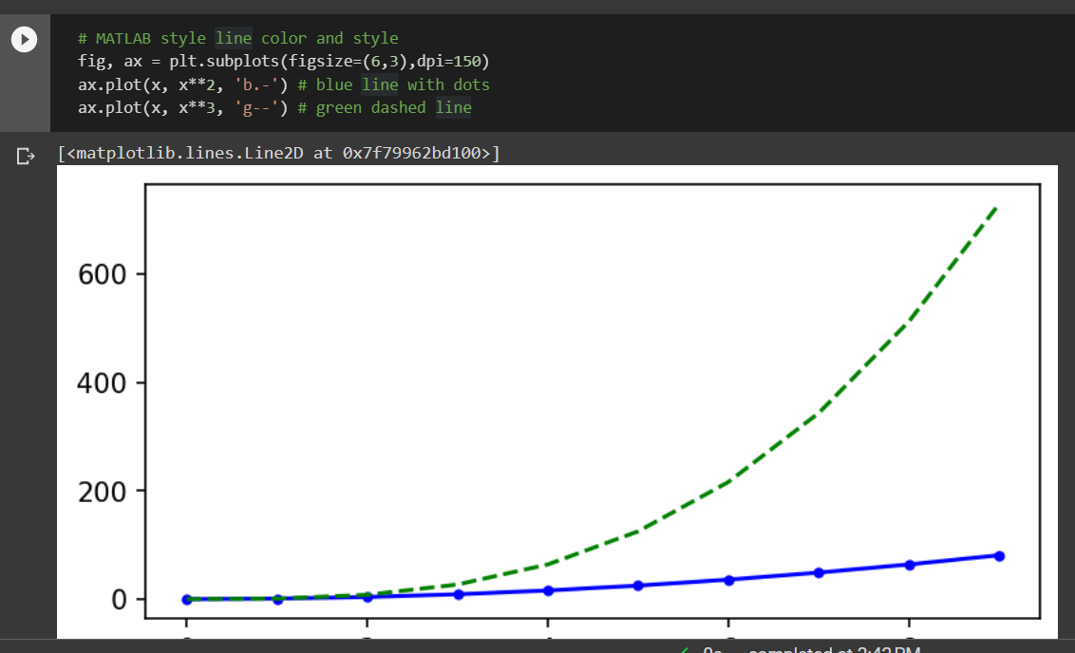 | ⇰REFERENCE (Website)--> Google Colab (1.3 Matplotlib Basics) Regarding Setting Colours By Syntax with Abbreviation Like (Blue--> b)

 | ⇰REFERENCE (Website)-->[Google Colab Supervised learning (1.3 Polynomial Regression Regarding Usage of Param Linewidth (lw)] (Practical Implementation)

⇰Customizing Colour By RGB hex code ❶Basically any customized colour you can search and use them while plotting just copy that specific code & assigning them against colour.But realistically, you may want to do your own custom color. Instead of Using Syntax or Actual Colour That is not going to be a standard string color like purple.So can we do what we can pass in what's known as an RGB hex code?& it's basically a formula for how much of red, green and blue go inside a color. Basically Making Our Own Colour By Mixing Other Colour Like (How we Perform in Excel Custom Colours)

❷So let's go ahead and maybe choose kind of a nice purple color, maybe make it a little darker, and eventually you'll get out this hex code, which will be a pound or hash tag sign and then three either letters or numbers. So then go ahead and copy that and you can pass that in here & then run this and now you get back your own custom color.

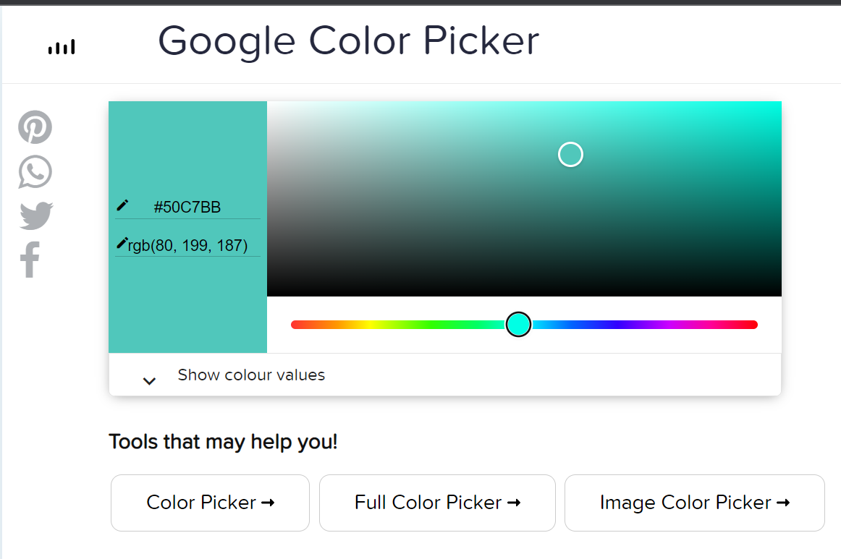 | ⇰REFERENCE (Website)-->RGB (HTML Colors) Hex Code Regarding Custom Colour Picker

 | ⇰REFERENCE (Website)-->RGB Hex Colours Regarding RGB Hex Colour Picker

 | ⇰REFERENCE Website)-->Matplotlib (Colours) Regarding Colours Format

 | ⇰REFERENCE (Website)-->Udemy Regarding Matplotlib Styling Colours & Styling

 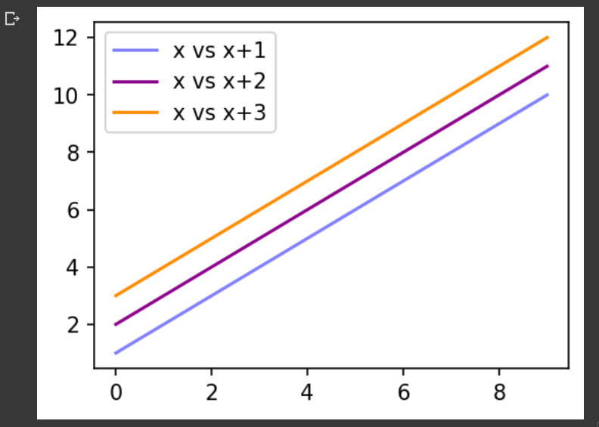 | ⇰REFERENCE (Website)-->Google Colab 1.3 Matplotlib Styling & Legend Regarding RGB Hex Colour Coding Usage in Coding

 | ⇰REFERENCE (Website)-->[Google Colab Supervised learning (1.3 Polynomial Regression Regarding Usage of Param Linewidth (lw)] (Practical Implementation)

Matplotlib(Line & Marker Style)
 | MATPLOTLIB LINESTYLE & MARKER STYLE |  | REFERENCE

 | ①SETTING LINEWIDTH

 | ⇰Linewidth ( specifies the width (in points) of the line. ) ❶You can set the width of the plot line using the linewidth parameter. For the default plot the line width is in pixels, so you will typically use 1 for a thin line, 2 for a medium line, 4 for a thick line, or more if you want a really thick line. You can set the line style using the linestyle parameter. ❷Either We can use (linewidth) or short abbreviation (lw) ❸After Understanding this Figure (Plotting Representation) we can see that if we set lw = 1 , that's essentially the default value & this equal to essentially kind of a ratio here. So then if you set to something (lw=10), it's going to be ten times the thickness of the default value (1:10)(See Fig) |  | ⇰REFERENCE (Website)-->[Udemy Matplotlib Styles Regarding Param Linewidth

 |  |  | ⇰REFERENCE (Website)-->Google Colab Matplotlib Old Regarding Param Linewidth (Practical Implementation)

 |  |  | ⇰REFERENCE (Website)-->[Google Colab Supervised learning (1.3 Polynomial Regression Regarding Usage of Param Linewidth (lw)] (Practical Implementation)
 | 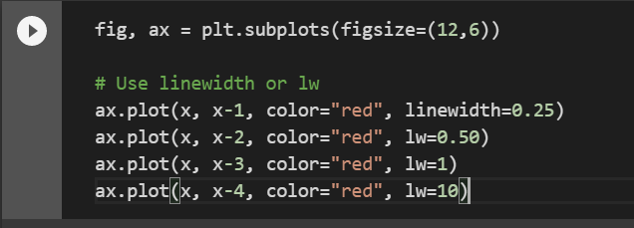

 |  |  | ⇰REFERENCE (Website)--> Matplotlib Regarding String Character That Help to Regulatee &Goes with Linestyle & Markers

 | 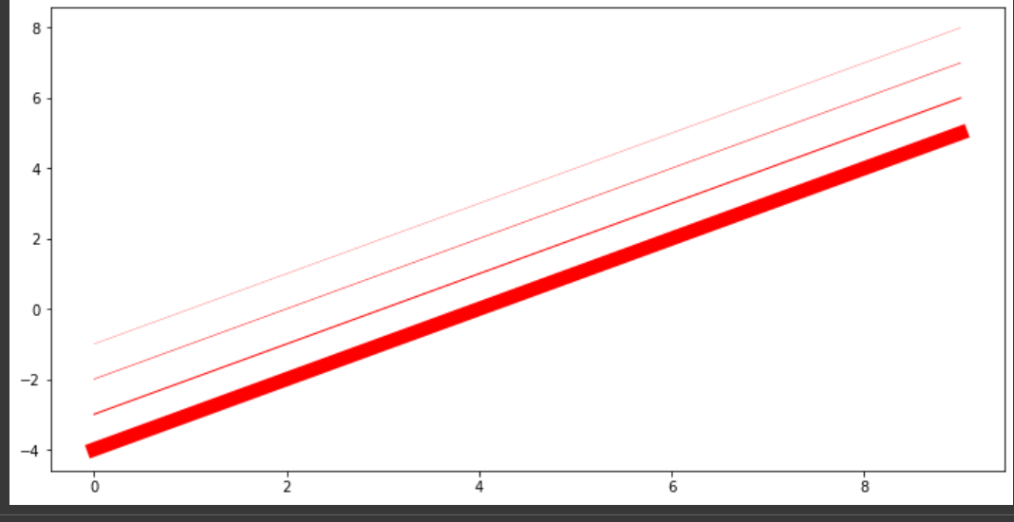

 | ②SETTING LINESTYLE (BASIC Method)

 | ⇰Linestyle ❶The default linestyle while plotting data is solid linestyle in matplotlib. We can change this linestyle by using linestyle or ls argument of plot() method. So Basically in Other Words Simple linestyles can be defined using the strings "solid", "dotted", "dashed" or "dashdot". ❷Either We can use (linestyle) or short abbreviation (ls) ❸There are the basic ones, like just a dash line, and you can either say less is equal to one of these string codes, like a dashed line. ❹Now you can see this line is dashed because of this line style code or if you want, you can also type in the full phrase line style and then choose another style.Maybe you want a dash and a dot. Let's make this a little thicker so we can see the actual effect.And I can see you have a line and a dot. |  | ⇰REFERENCE (Website)-->Geeks For Geeks Regarding Hyper parameter (Line Style)
`

 |  |  | ⇰REFERENCE (Website)-->Matplotib Regarding Parameter (Line Style) & Further Refined Linestyle Yielding byUsing Dashtuple()

 | Following are the linestyles available in matplotlib: (Link Attached)

 | 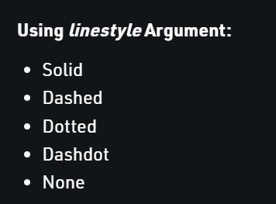 | 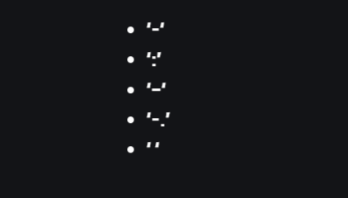

 |  |  | ⇰REFERENCE (Website)--> Matplotlib (Old) Regarding Parameter Linestyle

 |  |  | ⇰REFERENCE (Website)-->Udemy Matplotlib Styles Regarding Param Linestyle (Basics)

 | →Practical Example for Linestyle in Google Colab (1.3) Matplotlib Style

 | 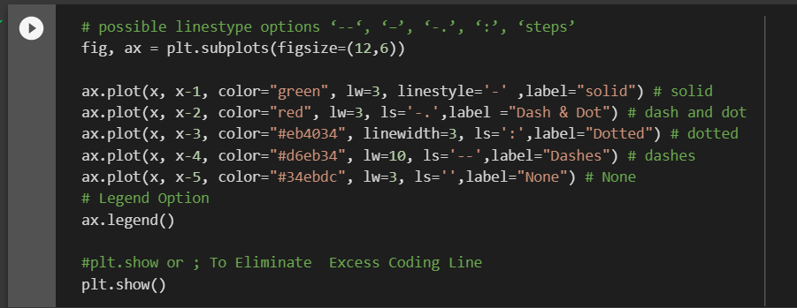 |  | ⇰REFERENCE (Website)-->Google Colab 1.3 Matplotlib (Styling) Regarding Parameter (Linestyle) Basic Method

 |  |  | ⇰REFERENCE (Website)-->[Google Colab Supervised learning (1.3 Polynomial Regression Regarding Usage of Param Linewidth (lw)] (Practical Implementation)

 | ③SETTING LINESTYLE (BY CUSTOM STYLING METHOD)

 | ⇰LineStyle (By Custom Styling Method) →The dash sequence is a sequence of floats of even length describing the length of dashes and spaces in points.For example, (5, 2, 1, 2) describes a sequence of 5 point and 1 point dashes separated by 2 point spaces.First, we see we can actually "grab" the line from the .plot() command ❶So I just passed in two pairs or three pairs of numbers.They have to come in pairs like this.And we can see I've created some sort of custom line dash (By calling set_dashes method).So the way this works is you essentially say how many points you want and then how many points you want spaced after it. ❷So I can say I want five solid points.Then two blank points.And then ten solid points.& then two blank points.So what this should be is essentially a line, a little dash, an empty space, another dash that's twice the length of this dash.And then two empty spaces repeated & so that's what we can see here in Example Given Below |  | ⇰REFERENCE (Website)-->Matplotib Regarding Parameter (Line Style) & Further Refined Linestyle Yielding byUsing Dashtuple()

 |  |  | ⇰REFERENCE (Website)--> Matplotlib Regarding String Character That Help to Regulatee & Goes with Linestyle & Markers

 | 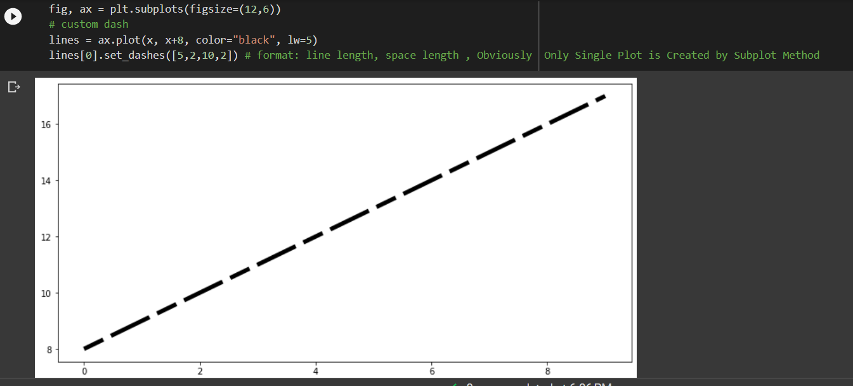 |  | ⇰REFERENCE (Website)-->Google Colab 1.3 Matplotlib (Styling) Regarding Parameter (Linestyle) Basic Method

 |  |  | ⇰REFERENCE (Website)-->Udemy Matplotlib Styles Regarding Param Linestyle (Basics)

 | ❸So then if we wanted, for instance. Similar length dashes. This would be five points of a dash to white spaces.Five points of a dash to white spaces. So it makes sense that these would then come in pairs. |  | ⇰REFERENCE (Website)-->Google Colab 1.3 Matplotlib (Styling) Regarding Parameter (Linestyle) Custom Style Method

 | 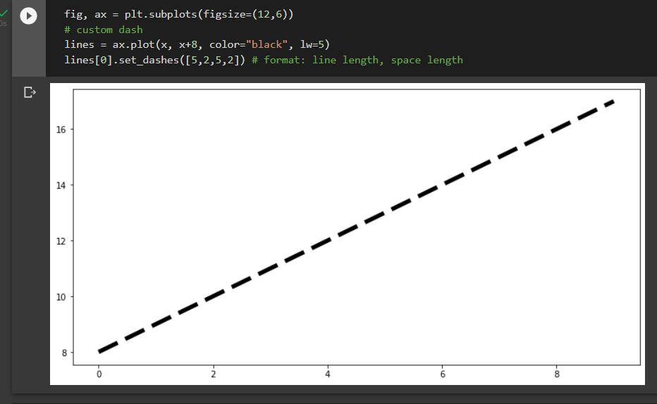

 |  |  | ⇰REFERENCE (Website)-->Geeks For Geeks Regarding Hyper parameter (Line Style)

 |  |  | ⇰REFERENCE (Website)-->Matplotib Regarding Parameter (Line Style) & Further Refined Linestyle Yielding byUsing Dashtuple()

 | 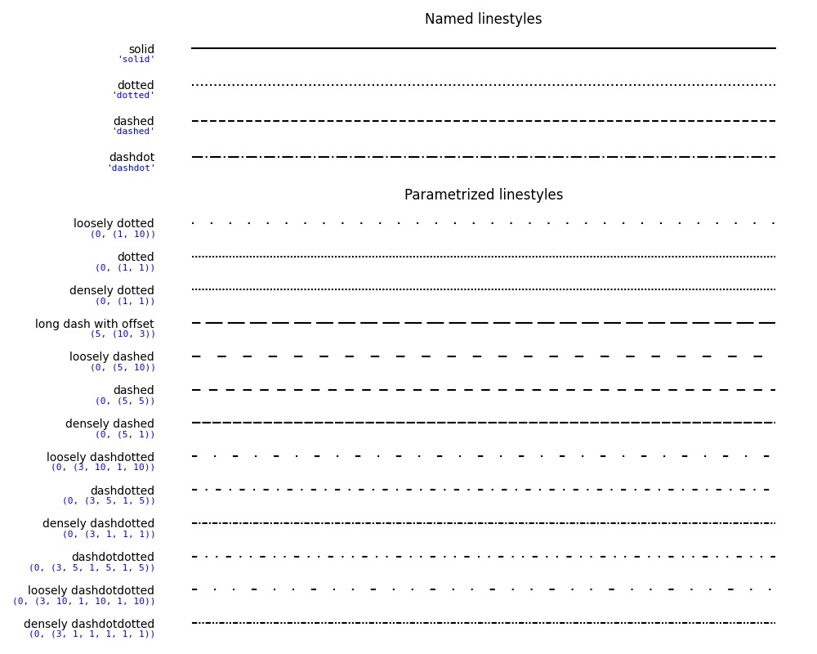 |  | ⇰REFERENCE (Website)-->Udemy Matplotlib Styles Regarding Param (Linestyle Custom)

 |  |  | ⇰REFERENCE (Website)-->[Google Colab Supervised learning (1.3 Polynomial Regression Regarding Usage of Param Linewidth (lw)] (Practical Implementation)

 | ④SETTING MARKERS & MARKERSIZE

 | 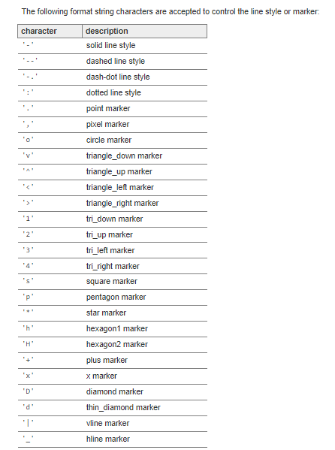 |  | ⇰REFERENCE (Website)--> Matplotlib (Old) Regarding String Character That Help to Regulate &Goes with Linestyle & Markers

 |  |  | ⇰REFERENCE (Website)--> Matplotlib (New) Regarding String Character That Help to Regulated &Goes with Linestyle & Markers

 |  |  | ⇰REFERENCE (Website)-->Geeks for Geeks Regarding String Character That Helps to Regulate & Goes with Markers

 |  |  | ⇰REFERENCE (Website)-->Udemy Matplotlib Styles Regarding Param Marker & Mark Size

 |  |  | ⇰REFERENCE (Website)-->[Google Colab Supervised learning (1.3 Polynomial Regression Regarding Usage of Param Linewidth (lw)] (Practical Implementation)

 | ⇰Markers & Marker Size() ❶The matplotlib.dates module provides functions to handle markers in Matplotlib. It is used both by the marker functionality of the plot and scatter. ❷What I do then is I say marker is equal to (+ ,0 ,s ,1) and then there are string codes for the marker type.So for instance, I could say marker pass in like in different combination like (+ ,0 ,s ,1) & in fact, if I make my line with a little less thick(Reducing Line width lw).I can see those marker points & then We can Increase the size of markers by inserting command (markersize or ms =20) and then make it like a dash line (by calling command linesize (ls) ="--") between those points.So then I can see the actual points I'm plotting and then a dash line saying the relationship between those points. |  | ⇰REFERENCE (Website)-->Google Colab 1.3 Matplotlib (Styling) Regarding Parameter (Markers & Marksize)

 |  |  | ⇰REFERENCE (Website)--> Matplotlib (Old) Regarding String Character That Help to Regulate &Goes with Linestyle & Markers

 |  |  | ⇰REFERENCE (Website)--> Matplotlib (New) Regarding String Character That Help to Regulated &Goes with Linestyle & Markers

 |  |  | ⇰REFERENCE (Website)-->Geeks for Geeks Regarding String Character That Helps to Regulate & Goes with Markers

 | 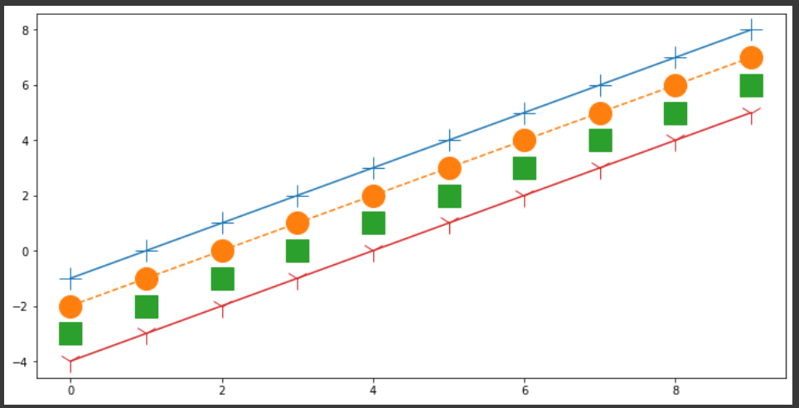 |  | ⇰REFERENCE (Website)-->Udemy Matplotlib Styles Regarding Param Marker & Mark Size

 |  |  | ⇰REFERENCE (Website)-->[Google Colab Supervised learning (1.3 Polynomial Regression Regarding Usage of Param Linewidth (lw)] (Practical Implementation)

 | ⑤SETTING Markerfacecolor & markeredgewidth & markeredgecolor

 | ❶MarkerEdgeColor → specifies the color of the marker or the edge color for filled markers (circle, square, diamond, pentagram, hexagram, and the four triangles). ❷MarkerFaceColor → specifies the color of the face of filled markers. ❸MarkerSize →specifies the size of the marker in units of points. ❹Point For Explanation (Udemy Explanation) →And then the last thing we're going to point out here is, technically speaking, these markers are actually containing an edge and a center to them.So if I wanted to make them a little thicker, I could actually edit the marker edge width as well as the marker edge color and marker face color. Now, this is a very high level of customization that we won't really be doing in the course, but it is available to you. ❹Point For Explanation (Udemy Explanation) →I'm going to say the marker edge color is "Dark Blue" and I'm going to make it quite wide, (markeredgewidth=8) & then let's make the marker face color red.So if we run this, we can see here I have a really thick marker edge width which is this Dark Blue widthand but there's a tiny little red dot there. If you want to make the (Red dot bigger), simply make the width of the edge smaller & eventually you can see here that we have a very customized marker and obviously you can keep changing this to be some other marker type & now we have these (Square Blue markers) with an interface color of red, an (Marker edge width of Eight (8)) and a (marker edge color is Blue )& then I can always keep changing the marker size as well. (Explanation Given In Upcoming Figures) |  | ⇰REFERENCE (Website)-->Matlab Function Reference Regarding Param (Markerfacecolor) & (Markeredgewidth) & (Markeredgecolor)

 |  |  | ⇰REFERENCE (Website)--> Matplotlib (Old) Regarding String Character That Help to Regulate &Goes with Linestyle & Markers

 |  |  | ⇰REFERENCE (Website)--> Matplotlib (New) Regarding String Character That Help to Regulated & Goes with Linestyle & Markers

 |  |  | ⇰REFERENCE (Website)-->Geeks for Geeks Regarding String Character That Helps to Regulate & Goes with Markers
 | 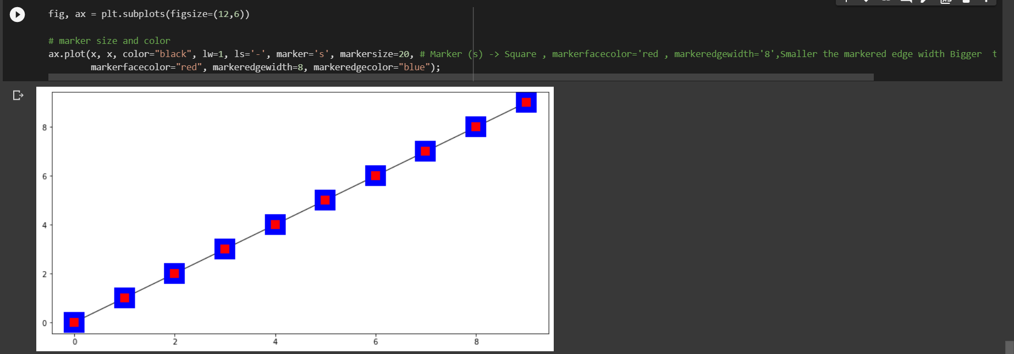

 |  |  | ⇰REFERENCE (Website)-->Udemy Matplotlib Styles Regarding Param Marker & Mark Size

 |  |  | ⇰REFERENCE (Website)-->Google Colab 1.3 (Matplotlib Styles) Regarding Parameter (Marker Face Color , Marker Edge Width , Marker Edge Color)

 |  |  | ⇰REFERENCE (Website)-->[Google Colab Supervised learning (1.3 Polynomial Regression Regarding Usage of Param Linewidth (lw)] (Practical Implementation)

Matplotlib Style (Extra Param)
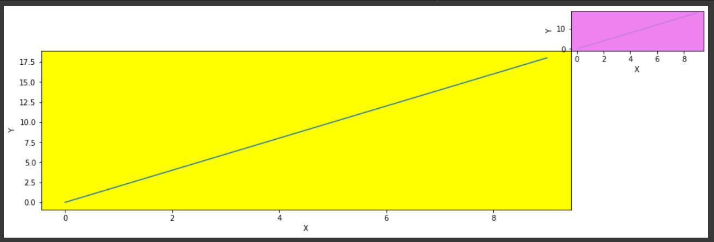
MATPLOTLIB STYLE (EXTRA PARAMS) | REFERENCE

⇰bbox_inches() str or Bbox, optional →Bbox in inches. Only the given portion of the figure is saved. If 'tight', try to figure out the tight bbox of the figure. If None, use savefig.bbox →Why Do we Need it ? What's actually happening here is there's technically a bounding box around the set of axes and the figure canvas That's why We are not able to See X axis & y axis around Matplotlib plot (x,y). If bbox_inches is tight then We can see X axis & Y axis. | ⇰REFERENCE (Website)--> Jupiter (MATPLOTLIB Save Fig) Regarding Save Fig (Without X axis & Y axis) or Absence of Params (bbox_inches) usage & it's impact while saving Fig

 | ⇰REFERENCE (Website)-->Google Colab (1.1 Matplotlib Basics Regarding Param bbox_inches()
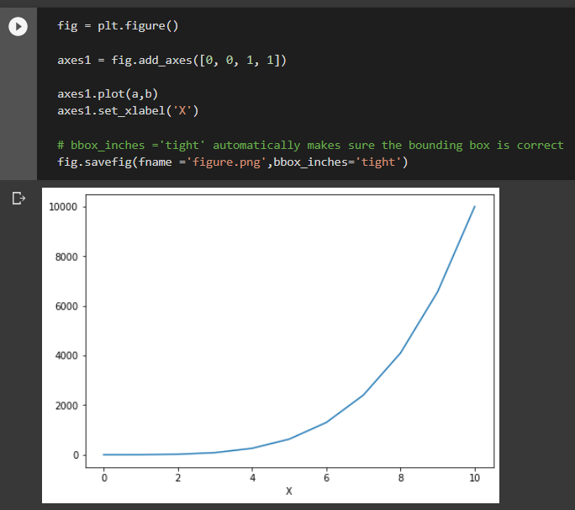 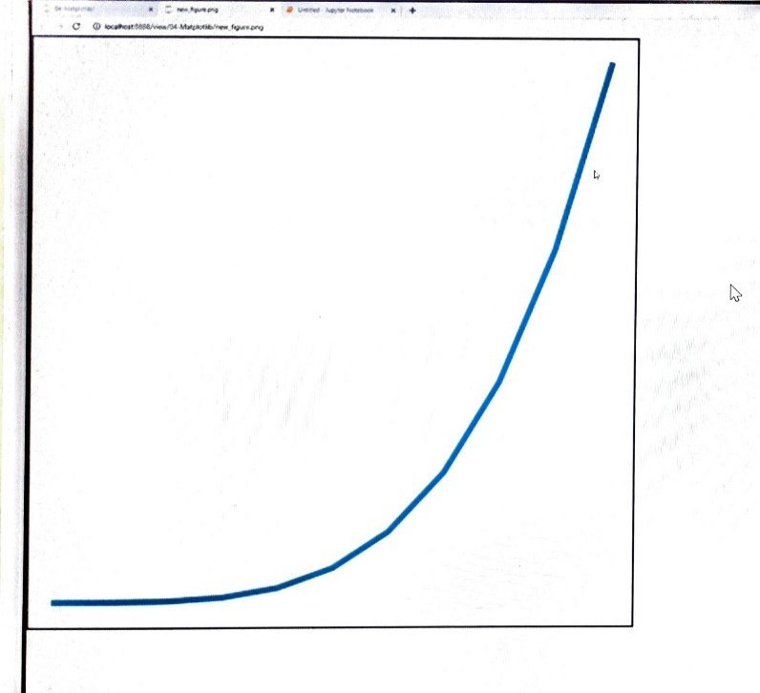

⇰dpi (Dots per Inch) →Without Using dpi(params) We see blurry Graph here and We can fix that by editing the DPI or dots per inch.And so what we can do here set it to something much higher than the default, something like 100 and eventually we'll see that it starts to get more and more clear.So if you set this super high, maybe like 200, you'll notice that now it's extremely clear.So that's how you can deal with that is just the DPI setting.Don't set it too high, otherwise it'll take up a lot of RAM to render something with such high resolution on your notebook. → (To Sum it Up) This method returns resolution in dots per inch Higher the Dpi Higher The Resolution Higher The Clarity . Ex -->Pl see Image First One is Hazy But 2nd One With Higher DPI With Higher Resolution is Getting Clear Image. | ⇰REFERENCE (Website)--> Google Colab (1.1) Google Colab Matplotlib Basics Regarding Very Important Parameter dpi

 | ⇰REFERENCE (Website)-->Google Colab (1.1 Matplotlib Basics Regarding Param bbox_inches()

⇰facecolor : color spec or None, optional →The facecolor of the figure; if None, defaults to rcParams["savefig.facecolor"] = 'white'.

⇰edgecolor :color spec or None, optional →The edgecolor of the figure; if None, defaults to rcParams["savefig.edgecolor"] = 'white'

⇰orientation : {'landscape', 'portrait'} →Currently only supported by the postscript backend. | ⇰REFERENCE (Website)-->Wikipedia Regarding Hyper Parameter (Orientation ['Landscape' , 'Portrait']

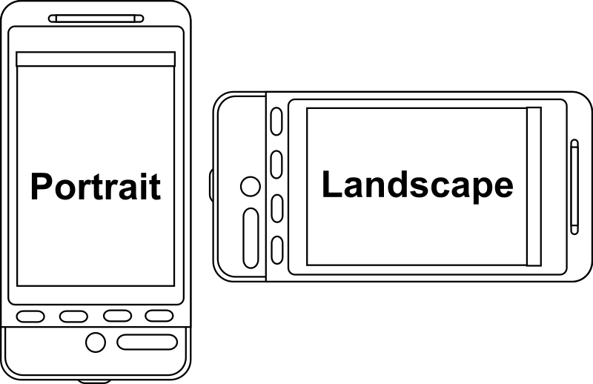

⇰transparent : bool →If True, the axes patches will all be transparent; the figure patch will also be transparent unless facecolor and/or edgecolor are specified via kwargs. This is useful, for example, for displaying a plot on top of a colored background on a web page. The transparency of these patches will be restored to their original values upon exit of this function.

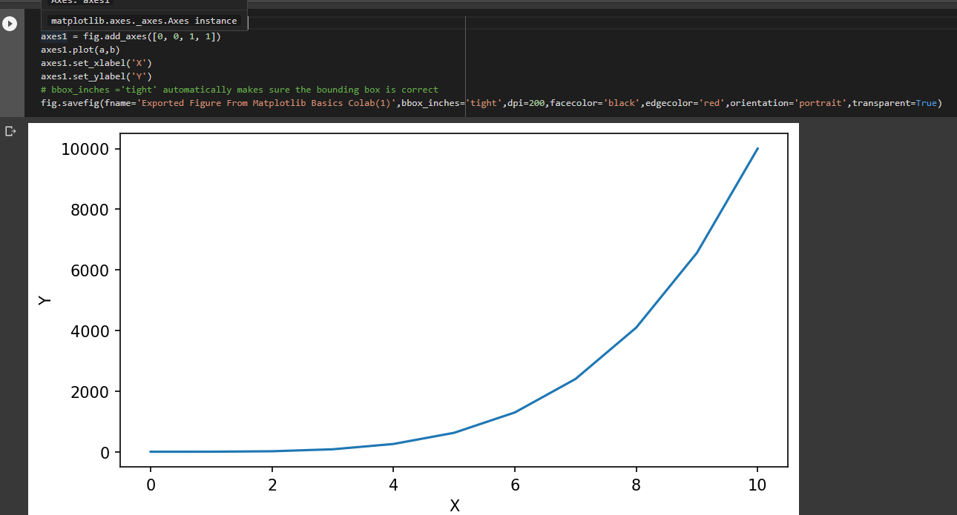

⇰alpha : (Range 0 to 1) Change the line opacity in Matplotlib →However, this transparency can be adjusted.Matplotlib allows you to adjust the transparency of a graph plot using the alpha attribute. →By default, alpha=1 If you want to make the graph plot more transparent, then you can make alpha less than 1, such as 0.5 or 0.25.If you want to make the graph plot less transparent, then you can make alpha greater than 1. This solidifies the graph plot, making it less transparent and more thick and dense, so to speak. See Ex Attached & Check out Corner Right Plot ,The Plot is More Translucent Compared to Main Plot | ⇰REFERENCE (Website)--> Python Regarding How to Increase / Decrease Transparency of Matplotlib Plot(x,y)

 | ⇰REFERENCE (Website)--> Google Colab (1.1 Matplotlib Basics (1. Functional & 2.OOB Method) Regarding Parameters for Alpha (0 to 1)

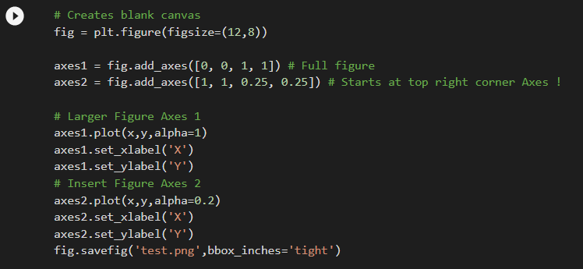

 | ⇰REFERENCE (Website)--> Geeks for Geeks Regarding Changing Line Opacity (From Opaque to Translucent) by Param alpha

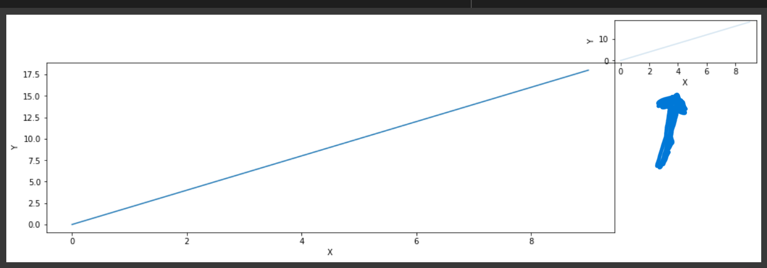
 | ⇰REFERENCE (Website)--> Google Colab (1.3 Matplotlib Style) Regarding Parameters for Alpha (0.5))

⇰set_facecolor("Name of Colour") → Set the facecolor of the Axes.By default, the color of the plot is white. If we have to set the background color of the plot so that our plot looks beautiful, we have to make the axes object, by using axes() attribute after plotting the graph. →In Simpler Words Set attribute set_facecolor() to the required color. This attribute accepts both name or color code of the color. Ex Outer Right Corner Background Turned into Violet While Main Inner Figure Background Turn into Yellow | ⇰REFERENCE (Website)--> Geeks for Geeks Regarding Parameter (set_facecolor)

 | ⇰REFERENCE (Website)-->Matplotlib Regarding Parameter (set_facecolor)

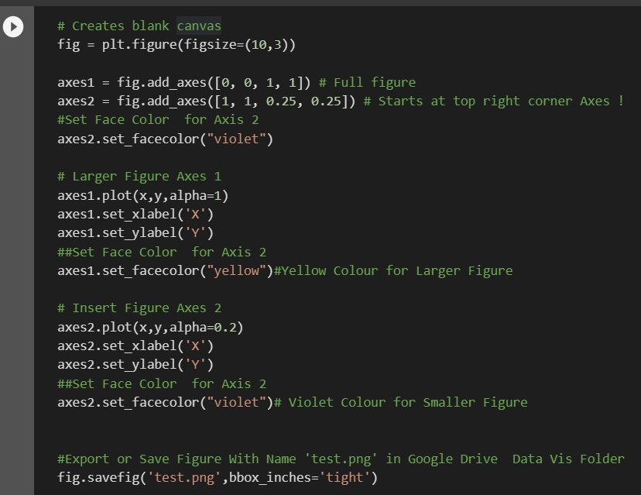 | ⇰REFERENCE (Website)--> Google Colab (1.1 Matplotlib Basics (1. Functional & 2.OOB Method) Regarding How to Set Plot Background Color in Matplotlib by Params set_facecolor

